Sheet1
Saksoft Identification Card Form

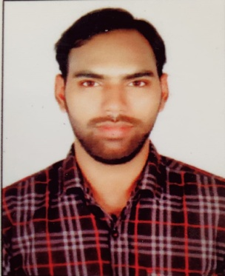

Full Name : AYUSH SRIVASTAVA

Date of Joining : 17/01/2022

Blood Group : A+

Work Location: MUMBAI

SAK ID:

The above form will have to be filled and submitted on the day of Joining Saksoft.

